PPR
Dorsolateral GPe | Baseline | CdCl2 (10uM) | Normalized PPR | Baseline | CdCl2 (10uM) | Before | Baseline (10min)
221123_c004 1-61 | 0.706475 | 1.911392 | (%) | 100 | 270.55338122 | After | CdCl2 (10uM) treatment for 15 min
221124_c001 1-80 | 0.774698 | 0.76866 |  | 100 | 99.220599511 | * CdCl2: General Ca2+ channel blocker
221128_c005 1-78 | 1.661607 | 2.022093 |  | 100 | 121.69502175
221205_c001 1-102 | 1.016519 | 1.25085 |  | 100 | 123.05229907 |  | PPR increased with statistical significance after QP treatment
221205_c005 1-75 | 0.847204 | 0.909286 |  | 100 | 107.32786908 |  | No statistical significace in PPR change after QP treatment
221215_c001 1-87 | 0.749045 | 1.066646 |  | 100 | 142.40079034
221219_c001 1-74 | 0.808902 | 1.016849 |  | 100 | 125.70731683
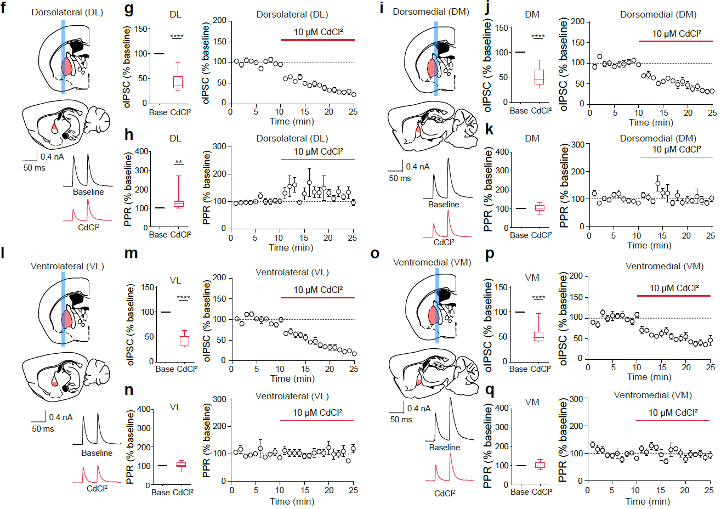
221219_c002 1-97 | 0.88807 | 1.102879 |  | 100 | 124.18829597
230120_c001 1-93 | 1.688243 | 1.830993 |  | 100 | 108.45553632
230120_c002 1-80 | 1.289934 | 1.366662 |  | 100 | 105.9482113
230120_c003 1-81 | 1.362349 | 1.718827 |  | 100 | 126.16642285
230125_c001 1-92 | 1.136288 | 1.244228 |  | 100 | 109.49935228
230201_c002 1-90 | 2.170181 | 2.398159 |  | 100 | 110.50502239
230201_c003 1-95 | 1.55443 | 1.592732 |  | 100 | 102.46405435
230204_c002 1-66 | 1.58987 | 3.641789 |  | 100 | 229.06206168
230207_c001 1-70 | 1.210443 | 2.112787 |  | 100 | 174.54659162
230222_c002 1-65 | 0.936699 | 1.150165 |  | 100 | 122.78917774

Ventrolateral GPe | Baseline | CdCl2 (10uM) | Normalized PPR | Baseline | CdCl2 (10uM)
221123_c001 1-77 | 0.849868 | 1.009474 |  | 100 | 118.78009291
221124_c004 1-96 | 1.625132451 | 1.600705 |  | 100 | 98.496894762
221128_c006 1-72 | 0.768505 | 0.777749 |  | 100 | 101.20285489
221129_c003 1-114 | 1.668526 | 1.11572 |  | 100 | 66.868601388
221202_c002 1-70 | 1.025179 | 0.97012 |  | 100 | 94.629328147
221202_c003 1-77 | 1.881982 | 2.0155 |  | 100 | 107.09454182
221206_c003 1-71 | 1.448132 | 1.251858 |  | 100 | 86.446401295
221215_c002 1-90 | 1.613286 | 1.803566 |  | 100 | 111.79456091
221216_c002 1-114 | 1.789106 | 1.881097 |  | 100 | 105.14173
230201_c004 1-130 | 1.152374 | 1.382458 |  | 100 | 119.9660874
230222_c006 1-69 | 0.763397 | 0.973209 |  | 100 | 127.48399588

Dorsomedial GPe | Baseline | CdCl2 (10uM) | Normalized PPR | Baseline | CdCl2 (10uM)
221123_c003 1-86 | 1.761767 | 2.054751 |  | 100 | 116.63012192
221124_c003 1-92 | 1.283265 | 1.295796 |  | 100 | 100.97649355
221125_c001 1-77 | 2.11011 | 1.494058 |  | 100 | 70.804744776
221128_c002 1-73 | 1.635741 | 2.167648 |  | 100 | 132.5178008
221202_c001 1-65 | 1.390988 | 1.253567 |  | 100 | 90.120619301
221205_c003 1-70 | 1.928834 | 1.918902 |  | 100 | 99.485077513
221206_c002 1-92 | 2.333492 | 2.028391 |  | 100 | 86.925131948
221207_c002 1-65 | 1.598598 | 1.669591 |  | 100 | 104.44095389
221207_c005 1-106 | 2.300894 | 2.725134 |  | 100 | 118.4380506
221215_c003 1-100 | 1.609049 | 1.514411 |  | 100 | 94.118389185
221216_c001 1-78 | 2.819043 | 3.640825 |  | 100 | 129.15109844
221219_c003 1-90 | 2.136818 | 2.435887 |  | 100 | 113.99599779
230204_c003 1-101 | 2.359483 | 2.115754 |  | 100 | 89.670237082
230222_c004 1-154 | 1.378846 | 1.54513 |  | 100 | 112.05964988

Ventromedial GPe | Baseline | CdCl2 (10uM) | Normalized PPR | Baseline | CdCl2 (10uM)
221123_c002 1-70 | 1.85264 | 1.723098 |  | 100 | 93.00770792
221125_c003 1-84 | 1.74187 | 1.546097 |  | 100 | 88.760757117
221128_c004 1-96 | 1.337864 | 1.353261 |  | 100 | 101.15086436
221129_c004 1-94 | 1.227666 | 1.409221 |  | 100 | 114.78863144
221202_c004 1-82 | 2.412491 | 3.199462 |  | 100 | 132.62068128
221206_c004 1-89 | 1.853337 | 1.482496 |  | 100 | 79.990633112
221207_c001 1-76 | 2.079456 | 1.592964 |  | 100 | 76.604842805
221215_c004 1-70 | 1.746162 | 1.867403 |  | 100 | 106.94328476
221219_c004 1-70 | 1.462836 | 1.443723 |  | 100 | 98.693428382
221219_c005 1-81 | 1.631695 | 2.143367 |  | 100 | 131.35831145
230222_c001 1-80 | 0.858923 | 0.754258 |  | 100 | 87.814390813

